Dance
 |  |  |  |  |  | 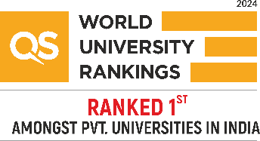

Cultural Events 2026
Participants List
Department: Engineering Foundation-1
Faculty Coordinator: Ankit Jhinkwan(E3147)
E-Code: E3147 |  | Email: ankit.e3147@cumail.in |  |  |  | Contact No: 9815411527
S. No. | Name | Section: | UID: | Group | Email | Categories
1 | Jagpreet Kaur | AML-102 | 25BAI70134 | A | aman.sid.2119@gmail.com | Dance
2 | Rupsa Dey Sarkar | BDS-114 | 25BDA70284 | B | rupsadsrkr18@gmail.com | Dance
3 | Rashi Waghmare | BCY-118 | 25BCY70185 | A | byheaven1310@gmail.com | Dance
4 | Rajkamal | BCB-111 | 25bcy70009 | B | hampalrajkamal@gmail.com | Dance
5 | Akansha Saxena | AML-102 | 25BAI70593 | A | akanshasaxena0911@gmail.com | Dance
6 | Harshita Pal | AML-105 | 25BAI70235 | B | harshita456.hp@gmail.com | Dance
7 | Harshit Pant | AML-101 | 25BAI70184 | B | harshitpant1607@gmail.com | Dance
8 | Divyanshi | BCY-118 | 25BCY70270 | B | Divyanshi12divya@gmail.com | Dance
9 | KABITA BEHERA | AML-102 | 25BAI70305 | B | beheralalita95@gmail.com | Dance
10 | Muskanpreet kaur | AML-102 | 25BAI70551 | B | muskansahota687@gmail.com | Dance

 | Faculty Name and Signature: |  |  |  | HOD Signature with Stamp:

